Daily Power Station Chart_14-01
Plant_12/01/2025Chart

Plant:odco1 |  |  | Installed Capacity:111.180kWp
Today Yield(kWh):301.900kWh |  | Today Earning:120760.000TND |  | Today Full Load Hours(h):2.72h

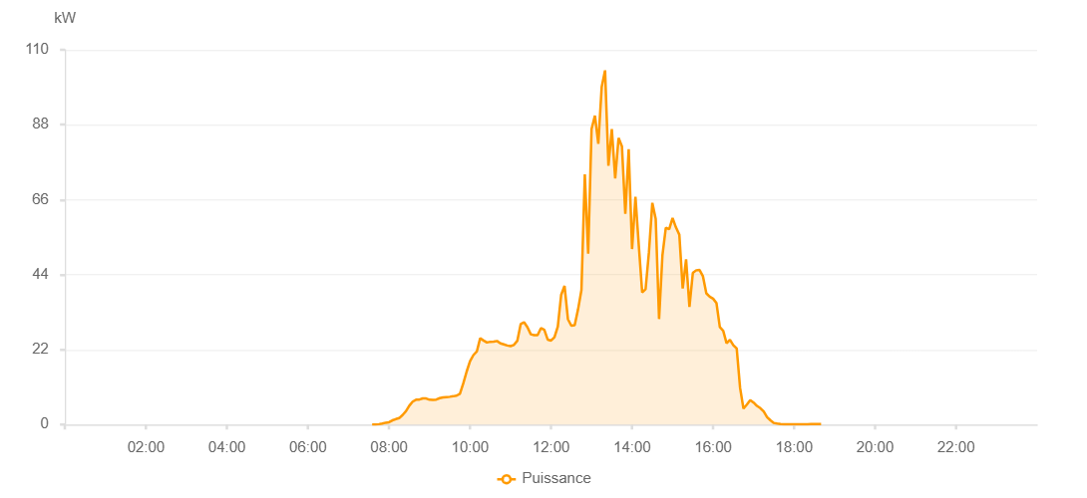

Number | Time | Working State | PV(W) | Instantaneous Radiation(W/㎡)
1 | 07:35:00 | Online | 30.00000 | 0
2 | 07:40:00 | Online | 30.00000 | 0
3 | 07:45:00 | Online | 110.00000 | 0
4 | 07:50:00 | Online | 320.00000 | 1.00000
5 | 07:55:00 | Online | 540.00000 | 1.00000
6 | 08:00:00 | Online | 680.00000 | 4.00000
7 | 08:05:00 | Online | 1230.00000 | 7.00000
8 | 08:10:00 | Online | 1590.00000 | 9.00000
9 | 08:15:00 | Online | 1880.00000 | 12.00000
10 | 08:20:00 | Online | 2790.00000 | 16.00000
11 | 08:25:00 | Online | 3900.00000 | 24.00000
12 | 08:30:00 | Online | 5510.00000 | 46.00000
13 | 08:35:00 | Online | 6720.00000 | 46.00000
14 | 08:40:00 | Online | 7290.00000 | 67.00000
15 | 08:45:00 | Online | 7330.00000 | 67.00000
16 | 08:50:00 | Online | 7680.00000 | 70.00000
17 | 08:55:00 | Online | 7640.00000 | 63.00000
18 | 09:00:00 | Online | 7280.00000 | 60.00000
19 | 09:05:00 | Online | 7260.00000 | 60.00000
20 | 09:10:00 | Online | 7330.00000 | 61.00000
21 | 09:15:00 | Online | 7740.00000 | 62.00000
22 | 09:20:00 | Online | 7990.00000 | 65.00000
23 | 09:25:00 | Online | 8070.00000 | 67.00000
24 | 09:30:00 | Online | 8150.00000 | 69.00000
25 | 09:35:00 | Online | 8300.00000 | 68.00000
26 | 09:40:00 | Online | 8480.00000 | 71.00000
27 | 09:45:00 | Online | 9050.00000 | 74.00000
28 | 09:50:00 | Online | 12080.00000 | 81.00000
29 | 09:55:00 | Online | 15570.00000 | 99.00000
30 | 10:00:00 | Online | 18630.00000 | 170.00000
31 | 10:05:00 | Online | 20390.00000 | 170.00000
32 | 10:10:00 | Online | 21420.00000 | 203.00000
33 | 10:15:00 | Online | 25330.00000 | 210.00000
34 | 10:20:00 | Online | 24680.00000 | 212.00000
35 | 10:25:00 | Online | 24080.00000 | 202.00000
36 | 10:30:00 | Online | 24300.00000 | 202.00000
37 | 10:35:00 | Online | 24320.00000 | 210.00000
38 | 10:40:00 | Online | 24520.00000 | 207.00000
39 | 10:45:00 | Online | 23840.00000 | 207.00000
40 | 10:50:00 | Online | 23540.00000 | 196.00000
41 | 10:55:00 | Online | 23210.00000 | 196.00000
42 | 11:00:00 | Online | 23010.00000 | 193.00000
43 | 11:05:00 | Online | 23370.00000 | 196.00000
44 | 11:10:00 | Online | 24590.00000 | 216.00000
45 | 11:15:00 | Online | 29470.00000 | 216.00000
46 | 11:20:00 | Online | 30040.00000 | 245.00000
47 | 11:25:00 | Online | 28590.00000 | 257.00000
48 | 11:30:00 | Online | 26500.00000 | 220.00000
49 | 11:35:00 | Online | 26240.00000 | 220.00000
50 | 11:40:00 | Online | 26260.00000 | 217.00000
51 | 11:45:00 | Online | 28300.00000 | 236.00000
52 | 11:50:00 | Online | 27820.00000 | 236.00000
53 | 11:55:00 | Online | 24940.00000 | 234.00000
54 | 12:00:00 | Online | 24650.00000 | 203.00000
55 | 12:05:00 | Online | 25610.00000 | 210.00000
56 | 12:10:00 | Online | 28790.00000 | 239.00000
57 | 12:15:00 | Online | 38090.00000 | 321.00000
58 | 12:20:00 | Online | 40710.00000 | 321.00000
59 | 12:25:00 | Online | 30930.00000 | 343.00000
60 | 12:30:00 | Online | 29010.00000 | 236.00000
61 | 12:35:00 | Online | 29140.00000 | 243.00000
62 | 12:40:00 | Online | 33810.00000 | 243.00000
63 | 12:45:00 | Online | 39470.00000 | 326.00000
64 | 12:50:00 | Online | 73430.00000 | 1028.00000
65 | 12:55:00 | Online | 50150.00000 | 1028.00000
66 | 13:00:00 | Online | 86740.00000 | 329.00000
67 | 13:05:00 | Online | 90690.00000 | 329.00000
68 | 13:10:00 | Online | 82410.00000 | 652.00000
69 | 13:15:00 | Online | 99080.00000 | 652.00000
70 | 13:20:00 | Online | 103960.00000 | 313.00000
71 | 13:25:00 | Online | 75980.00000 | 936.00000
72 | 13:30:00 | Online | 86720.00000 | 840.00000
73 | 13:35:00 | Online | 72270.00000 | 840.00000
74 | 13:40:00 | Online | 84120.00000 | 444.00000
75 | 13:45:00 | Online | 81620.00000 | 917.00000
76 | 13:50:00 | Online | 61840.00000 | 505.00000
77 | 13:55:00 | Online | 80850.00000 | 376.00000
78 | 14:00:00 | Online | 51510.00000 | 611.00000
79 | 14:05:00 | Online | 66860.00000 | 560.00000
80 | 14:10:00 | Online | 52430.00000 | 560.00000
81 | 14:15:00 | Online | 38780.00000 | 517.00000
82 | 14:20:00 | Online | 39710.00000 | 314.00000
83 | 14:25:00 | Online | 50600.00000 | 327.00000
84 | 14:30:00 | Online | 65070.00000 | 633.00000
85 | 14:35:00 | Online | 60350.00000 | 653.00000
86 | 14:40:00 | Online | 30970.00000 | 653.00000
87 | 14:45:00 | Online | 49760.00000 | 681.00000
88 | 14:50:00 | Online | 57790.00000 | 681.00000
89 | 14:55:00 | Online | 57330.00000 | 606.00000
90 | 15:00:00 | Online | 60600.00000 | 580.00000
91 | 15:05:00 | Online | 57860.00000 | 537.00000
92 | 15:10:00 | Online | 55730.00000 | 537.00000
93 | 15:15:00 | Online | 39920.00000 | 527.00000
94 | 15:20:00 | Online | 48470.00000 | 527.00000
95 | 15:25:00 | Online | 34520.00000 | 537.00000
96 | 15:30:00 | Online | 44500.00000 | 504.00000
97 | 15:35:00 | Online | 45280.00000 | 396.00000
98 | 15:40:00 | Online | 45370.00000 | 396.00000
99 | 15:45:00 | Online | 43510.00000 | 472.00000
100 | 15:50:00 | Online | 38520.00000 | 433.00000
101 | 15:55:00 | Online | 37540.00000 | 389.00000
102 | 16:00:00 | Online | 36950.00000 | 140.00000
103 | 16:05:00 | Online | 35660.00000 | 132.00000
104 | 16:10:00 | Online | 28620.00000 | 132.00000
105 | 16:15:00 | Online | 27540.00000 | 116.00000
106 | 16:20:00 | Online | 23860.00000 | 119.00000
107 | 16:25:00 | Online | 24910.00000 | 79.00000
108 | 16:30:00 | Online | 23300.00000 | 58.00000
109 | 16:35:00 | Online | 22310.00000 | 47.00000
110 | 16:40:00 | Online | 10780.00000 | 47.00000
111 | 16:45:00 | Online | 4660.00000 | 27.00000
112 | 16:50:00 | Online | 5870.00000 | 27.00000
113 | 16:55:00 | Online | 7190.00000 | 55.00000
114 | 17:00:00 | Online | 6440.00000 | 55.00000
115 | 17:05:00 | Online | 5460.00000 | 29.00000
116 | 17:10:00 | Online | 4810.00000 | 37.00000
117 | 17:15:00 | Online | 3840.00000 | 30.00000
118 | 17:20:00 | Online | 2170.00000 | 16.00000
119 | 17:25:00 | Online | 1240.00000 | 9.00000
120 | 17:30:00 | Online | 470.00000 | 9.00000
121 | 17:35:00 | Online | 290.00000 | 2.00000
122 | 17:40:00 | Online | 170.00000 | 0
123 | 17:45:00 | Online | 70.00000 | 0
124 | 17:50:00 | Online | 40.00000 | 0
125 | 17:55:00 | Online | 40.00000 | 0
126 | 18:00:00 | Online | 40.00000 | 0
127 | 18:05:00 | Online | 40.00000 | 0
128 | 18:10:00 | Online | 40.00000 | 0
129 | 18:15:00 | Online | 40.00000 | 0
130 | 18:20:00 | Online | 40.00000 | 0
131 | 18:25:00 | Online | 170.00000 | 0
132 | 18:30:00 | Online | 170.00000 | 0
133 | 18:35:00 | Online | 170.00000 | 0
134 | 18:40:00 | Online | 150.00000 | 0
135 | 19:05:00 | Online | 0.00001 | 0.00001

